Sheet1
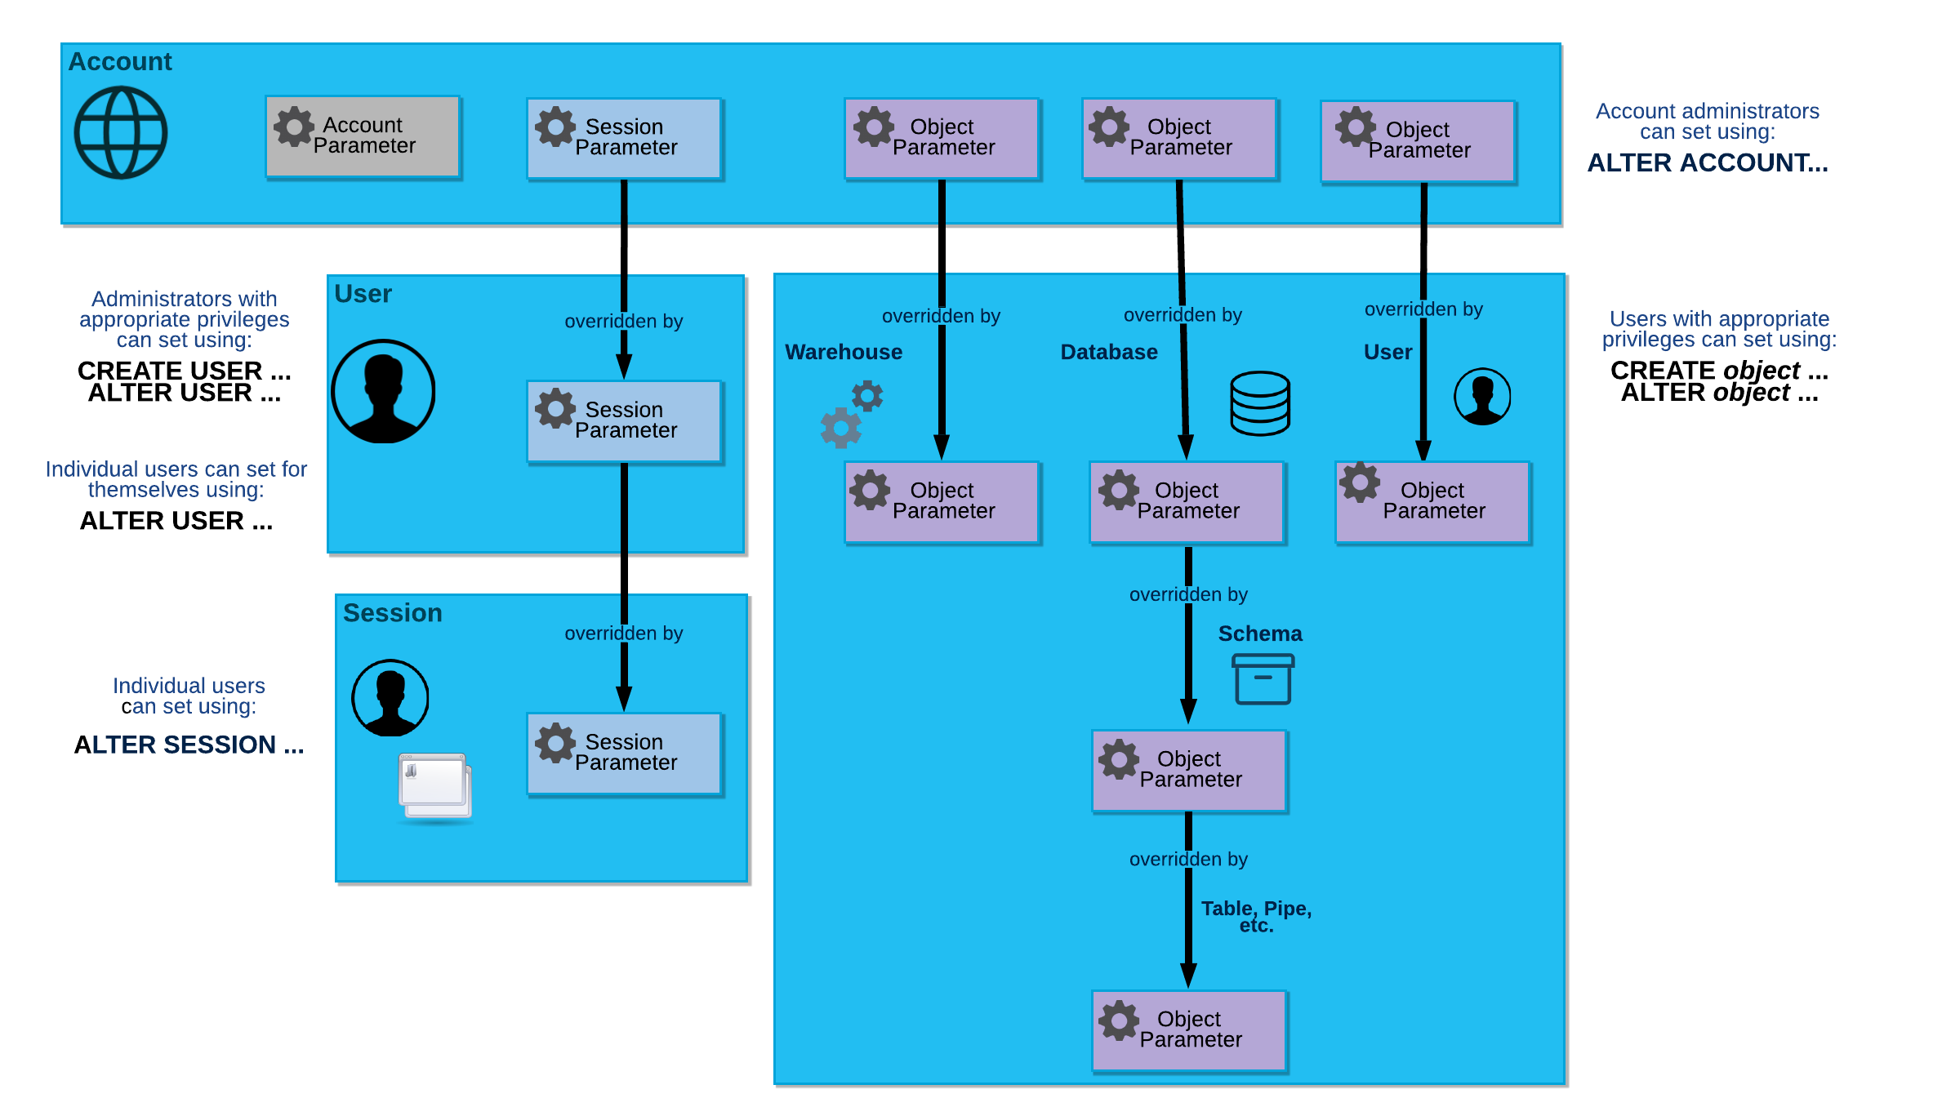
Project: | Moving the Data From the SWS S3 to the Snowflake and Basic Analytics |  | Approach
 | Enhancing Data Warehousing Efficiency: A Comprehensive Study on Bulk Loading from Amazon S3 to Snowflake
Given | Access of the Snowflake (Administration access) | Start
 | S3 ARN Deatlis (Scret and Key)

 |  | Setup of Snowflake

 |  | Testing the platform for compatability

 |  | Integration between the S3 and the Snowflake

 |  | Test the Connection data

 |  | Evaluate the Actual files matching with Snowflake tables

 |  | Generate the report for the Manages

 |  | Stop
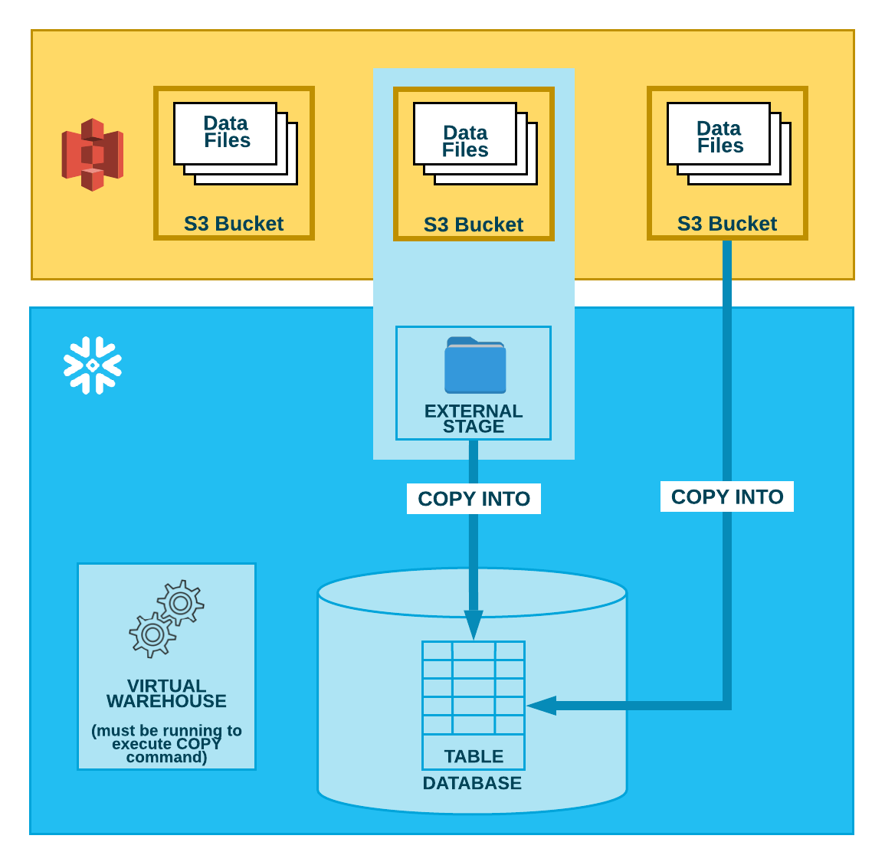

References | https://docs.snowflake.com/en/reference
 | https://docs.snowflake.com/en/sql-reference/parameters
 | https://docs.snowflake.com/en/user-guide/data-load-s3?utm_source=legacy&utm_medium=serp&utm_term=s3
 | https://docs.snowflake.com/en/user-guide/data-load-monitor
 | https://youtu.be/bSSmHZQOFqc?si=8Zcii55WqUXe3sQ6
 | https://youtu.be/btRMAhQjgJc?si=xyD_5jQArIzFe9ug
 | https://youtu.be/roXlSAvx6Kg?si=b7f1V4uU2F6_Y-37

